ART
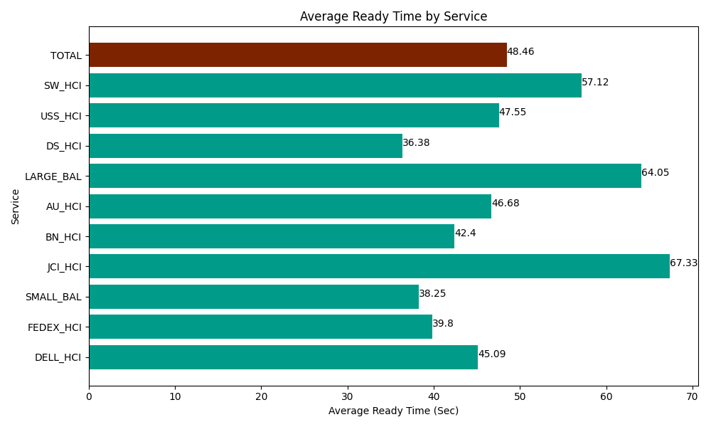
Date | Service | Successful Op Transfer | In Call (Sec) | Ready (Sec) | Wrapup (Sec) | Not Ready (Sec) | Average Ready Time (Sec)
05-16-2024 | DELL_HCI | 76 | 6271.1997986 | 3427.1999359 | 16666.199341 | 6395.9999084 | 45.09
05-16-2024 | FEDEX_HCI | 50 | 5154.0000916 | 1990.1998901 | 5126.9998169 | 4960.1998901 | 39.8
05-16-2024 | SMALL_BAL | 66 | 5296.7999268 | 2524.1999817 | 6871.7999268 | 5629.8001099 | 38.25
05-16-2024 | JCI_HCI | 187 | 19911.000366 | 12589.80011 | 22906.799927 | 17962.800293 | 67.33
05-16-2024 | BN_HCI | 904 | 64953.00293 | 38326.801758 | 110074.79736 | 55922.999268 | 42.4
05-16-2024 | AU_HCI | 169 | 13441.200256 | 7888.7997437 | 14928.000183 | 8314.2004395 | 46.68
05-16-2024 | LARGE_BAL | 4 | 268.19998741 | 256.19999886 | 653.99997711 | 192.00000286 | 64.05
05-16-2024 | DS_HCI | 777 | 53985 | 28268.999634 | 83233.798828 | 69196.801758 | 36.38
05-16-2024 | USS_HCI | 167 | 23206.799927 | 7941.0003662 | 21658.800659 | 5746.1997986 | 47.55
05-16-2024 | SW_HCI | 60 | 2389.8001099 | 3427.1999359 | 3109.8001099 | 6547.7998352 | 57.12
 | TOTAL | 2460 | 194877.00339 | 106640.40135 | 285230.99613 | 180868.8013 | 48.46

